Daily load curve
Daily load curve
t (h) | P (MW)
1 | 730 | Pmax = | 988
2 | 641 | Pmin = | 541
3 | 584 | W = | 18572
4 | 553 | f = | 0.783
5 | 557 | Psr = | 773.8
6 | 541 | T = | 18.8
7 | 582 | m = | 0.548
8 | 643
9 | 771
10 | 849
11 | 822
12 | 921
13 | 881
14 | 886
15 | 906
16 | 836
17 | 831
18 | 792
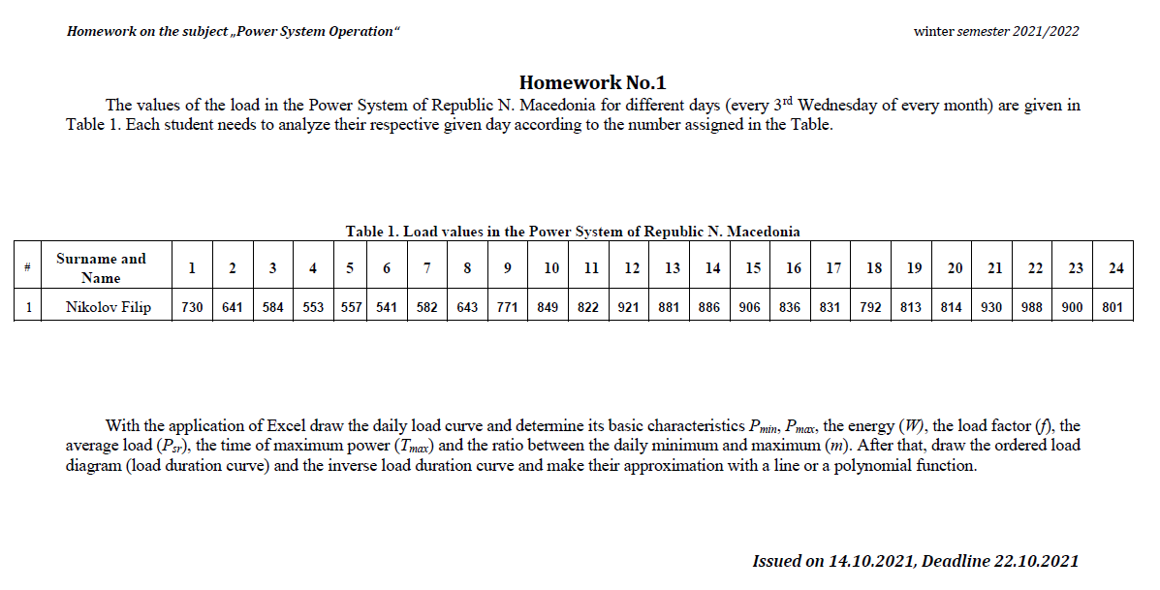
19 | 813
20 | 814
21 | 930
22 | 988
23 | 900
24 | 801

Ordered load diagram
Ordered load diagram
t (h) | P (MW)
1 | 988 | Pmax = | 988
2 | 930 | Pmin = | 541
3 | 921 | W = | 18572
4 | 906 | f = | 0.783
5 | 900 | Psr = | 773.8
6 | 886 | T = | 18.8
7 | 881 | m = | 0.548
8 | 849
9 | 836
10 | 831
11 | 822
12 | 814
13 | 813
14 | 801
15 | 792
16 | 771
17 | 730
18 | 643
19 | 641
20 | 584
21 | 582
22 | 557
23 | 553
24 | 541

Inverse load duration curve
Inverse load duration curve
P (MW) | t (p.u.)
988 | 0.04 | Pmax = | 988
930 | 0.08 | Pmin = | 541
921 | 0.13 | W = | 18572
906 | 0.17 | f = | 0.783
900 | 0.21 | Psr = | 773.8
886 | 0.25 | T = | 18.8
881 | 0.29 | m = | 0.548
849 | 0.33
836 | 0.38
831 | 0.42
822 | 0.46
814 | 0.50
813 | 0.54
801 | 0.58
792 | 0.63
771 | 0.67
730 | 0.71
643 | 0.75
641 | 0.79
584 | 0.83
582 | 0.88
557 | 0.92
553 | 0.96
541 | 1.00

